XOR PLL FOR 10MHz GPSDO
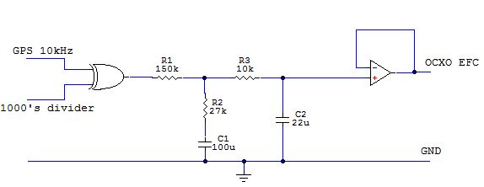
XOR PLL Loop filter design |  | by iMo 7/2018
for 10MHz GPSDO | v. 0.91 | Provided as-is, use at your own risk

Note: |  | PLL Filter
 |  | XOR's log0 output voltage | 0.1 | V
 |  | XOR's log1 output voltage | 4.9 | V
XOR phase detector's gain |  | Kphi | 1.528 | V/rad
 |  | Refclk (GPS) | 20000 | Hz
OCXO's freq divider |  | Ndiv | 500
 |  | Loop's settling time | 1000 | sec
PLL loop's natural freq |  | Omega_n | 0.048 | rad/sec | GPS 10kHz - ie. NEO-7M 1PPS output set to 10kHz
 |  | Kn | 0.002 |  | 1000's divider - divides OCXO's 10MHz to 10kHz
Damping factor Theta (>=0.707) |  | Th | 0.811
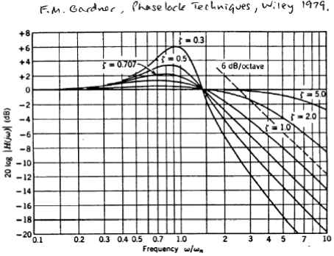
 |  | OCXO EFC gain | 1.590 | Hz/V |  |  |  | You have to use the Goal Seeker!
 |  | Kocxo | 9.990 | rad/sec/V | OCXO EFC ppb to Hz gain calc |  |  | For example:
 |  |  |  |  | EFC ocxo gain | 159 | ppb/V | Set R2 to 27k by changing Theta
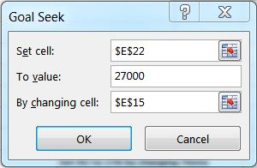
 |  | C1 | 100 | uF | Freq_ocxo | 10 | MHz
 |  |  |  |  | EFC gain | 1.590 | Hz/V
 |  | R1 | 122210 | Ohm
 |  | R2 | 10000 | Ohm

 |  | Optional
 |  | R3 | 10000 | Ohm |  | inputs
 |  | C2 (max) | 10 | uF |  | results

